Sheet1
 |  | Document No. | Issue No. | Issue Date |  |  | Review and Replace Date |  | Authorised By
 |  | GFF388MC | 3 | 13.07.2023 |  |  | 10.06.2026 |  | Magda Shah
 |  | Document Title | 20 Chicken Tikka Samosa 500G

Document amendments reason for change |  | Film Updated |  | Page 1 of 1 |  | Previous Issue Date |  | 24.02.2026 | Uncontrolled copy unless signed original

CCSAC-B20X1T | GAZEBO |  | 20 Chicken Tikka Samosa 500G
STEP 1 |  |  |  |  | STEP 2
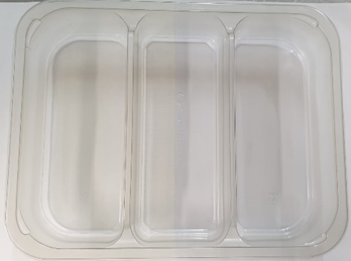 |  |  |  |  |  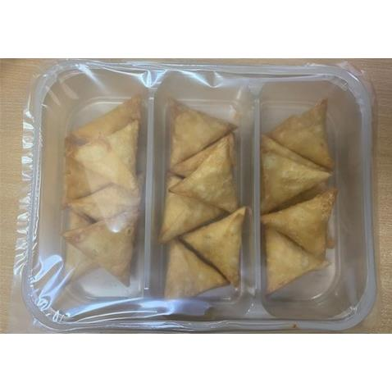

Tray: Tray 3 cavity HW308/60 Transparent (PKESS001-10) |  |  |  |  | Chicken Tikka Samosa Cocktail (GFF004R): 25g (1X 20 Units)-500G
Film: 25mu Weld Seal Mono PET Film (340mm x 1000lm) -(PKCLI001-04) - Clifton Packaging
STEP 3
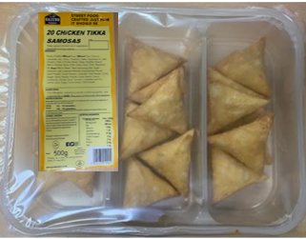 |  |  | 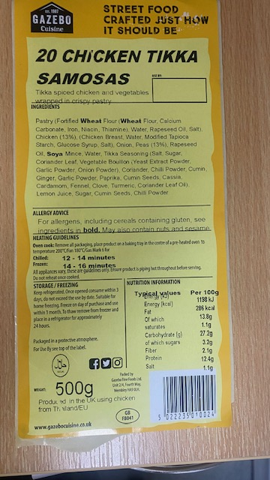 

Label 20 Chicken Tikka Samosas -Barcode: 0024
TOTAL WEIGHT: 500G

ALLERGY ALERT: WHEAT, SOYA

